Sheet1
Time [min] | ISO 834-1 / EN 1363-1 [°C] | ASTM E119 [°F]
0 | 20.0 | 68.0 | 20.0
10 | 678.4 | 1356.9 | 736.0
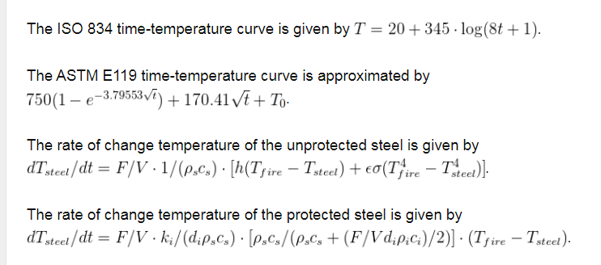
20 | 781.4 | 1580.1 | 860.1
30 | 841.8 | 1751.4 | 955.2
40 | 884.7 | 1895.8 | 1035.4
50 | 918.1 | 2023.0 | 1106.1
60 | 945.3 | 2138.0 | 1170.0
70 | 968.4 | 2243.8 | 1228.8
80 | 988.4 | 2342.2 | 1283.4
90 | 1006.0 | 2434.7 | 1334.8
100 | 1021.8 | 2522.1 | 1383.4
110 | 1036.0 | 2605.3 | 1429.6
120 | 1049.0 | 2684.7 | 1473.7
130 | 1061.0 | 2761.0 | 1516.1
140 | 1072.1 | 2834.3 | 1556.8
150 | 1082.4 | 2905.1 | 1596.2
160 | 1092.1 | 2973.5 | 1634.2
170 | 1101.2 | 3039.9 | 1671.0
180 | 1109.7 | 3104.3 | 1706.8
190 | 1117.8 | 3166.9 | 1741.6
200 | 1125.5 | 3228.0 | 1775.5
210 | 1132.8 | 3287.5 | 1808.6
220 | 1139.8 | 3345.6 | 1840.9
230 | 1146.4 | 3402.4 | 1872.4
240 | 1152.8 | 3458.0 | 1903.3
250 | 1158.9 | 3512.4 | 1933.6
260 | 1164.8 | 3565.8 | 1963.2
270 | 1170.5 | 3618.1 | 1992.3
280 | 1175.9 | 3669.5 | 2020.8
290 | 1181.2 | 3720.0 | 2048.9
300 | 1186.2 | 3769.6 | 2076.4
310 | 1191.1 | 3818.4 | 2103.5
320 | 1195.9 | 3866.4 | 2130.2
330 | 1200.5 | 3913.7 | 2156.5
340 | 1205.0 | 3960.2 | 2182.3
350 | 1209.3 | 4006.1 | 2207.8
360 | 1213.5 | 4051.3 | 2232.9

ASTM E119
Time [°C] | Effect [°F]
0 | 68 | 68 | 28.529
1 | 254 | 971.55675522 | 276.348399 | = -1E-06x6 + 0,0002x5 - 0,0206x4 + 0,9078x3 - 21,498x2 + 268,43x + 28,529
2 | 441 | 1055.4974621 | 486.336136
3 | 627 | 1112.1116802 | 663.226871
4 | 814 | 1158.4412909 | 811.307304
5 | 1000 | 1198.8937558 | 934.438375
6 | 1060 | 1235.3487806 | 1036.076744
7 | 1120 | 1268.8298324 | 1119.295551 |  | -0.000001
8 | 1180 | 1299.9759454 | 1186.804456
9 | 1240 | 1329.22149 | 1240.968959
10 | 1300 | 1356.8791395 | 1283.829
11 | 1328 | 1383.1834719 | 1317.116839
12 | 1347 | 1408.3160944 | 1342.274216
13 | 1364 | 1432.4211383 | 1360.468791
14 | 1381 | 1455.6153255 | 1372.609864
15 | 1396 | 1477.9947823 | 1379.363375
16 | 1410 | 1499.6398088 | 1381.166184
17 | 1424 | 1520.6183098 | 1378.239631
18 | 1436 | 1540.9883234 | 1370.602376
19 | 1448 | 1560.79992 | 1358.082519
20 | 1459 | 1580.0966562 | 1340.329
21 | 1470 | 1598.9167032 | 1316.822279
22 | 1480 | 1617.2937357 | 1286.884296
23 | 1490 | 1635.2576406 | 1249.687711
24 | 1499 | 1652.8350878 | 1204.264424
25 | 1508 | 1670.0499957 | 1149.513375
26 | 1517 | 1686.9239124 | 1084.207624
27 | 1525 | 1703.4763323 | 1007.000711
 | Effect [°F]
0 | 68 | 28.529
1 | 254 | 276.348399
2 | 441 | 486.336136
3 | 627 | 663.226871
4 | 814 | 811.307304
5 | 1000 | 934.438375
6 | 1060 | 1036.076744
7 | 1120 | 1119.295551
8 | 1180 | 1186.804456
9 | 1240 | 1240.968959
10 | 1300 | 1283.829
11 | 1328 | 1317.116839
12 | 1347 | 1342.274216
13 | 1364 | 1360.468791
14 | 1381 | 1372.609864
15 | 1396 | 1379.363375
16 | 1410 | 1381.166184
17 | 1424 | 1378.239631
18 | 1436 | 1370.602376
19 | 1448 | 1358.082519
20 | 1459 | 1340.329
21 | 1470 | 1316.822279
22 | 1480 | 1286.884296
23 | 1490 | 1249.687711
24 | 1499 | 1204.264424
25 | 1508 | 1149.513375
26 | 1517 | 1084.207624
27 | 1525 | 1007.000711
28 | 1533 | 916.432296
29 | 1541 | 810.933079
30 | 1549 | 688.829
31 | 1556 | 548.344719
32 | 1563 | 387.606376
33 | 1570
34 | 1576
35 | 1583
36 | 1589
37 | 1595
38 | 1601
39 | 1606
40 | 1612
41 | 1617
42 | 1623
43 | 1628
44 | 1633
45 | 1638
46 | 1643
47 | 1648
48 | 1652
49 | 1657
...
28 | 1533 | 1719.7249604 | 916.432296
29 | 1541 | 1735.6859338 | 810.933079
30 | 1549 | 1751.3740095 | 688.829
31 | 1556 | 1766.8027246 | 548.344719
32 | 1563 | 1781.9845323 | 387.606376
33 | 1570 | 1796.9309203
34 | 1576 | 1811.6525122
35 | 1583 | 1826.1591557
36 | 1589 | 1840.4599999
37 | 1595 | 1854.5635627
38 | 1601 | 1868.4777902
39 | 1606 | 1882.2101089
40 | 1612 | 1895.7674721
41 | 1617 | 1909.1564013
42 | 1623 | 1922.3830224
43 | 1628 | 1935.4530989
44 | 1633 | 1948.372061
45 | 1638 | 1961.1450321
46 | 1643 | 1973.7768524
47 | 1648 | 1986.2721005
48 | 1652 | 1998.6351125
49 | 1657 | 2010.87
50 | 1661 | 2022.9806658
51 | 1666 | 2034.9708185
52 | 1670 | 2046.8439857
53 | 1674 | 2058.6035262
54 | 1678 | 2070.2526412
55 | 1682 | 2081.7943842
56 | 1686 | 2093.2316706
57 | 1690 | 2104.5672861
58 | 1694 | 2115.803895
59 | 1698 | 2126.9440469
60 | 1701 | 2137.9901841

